Home
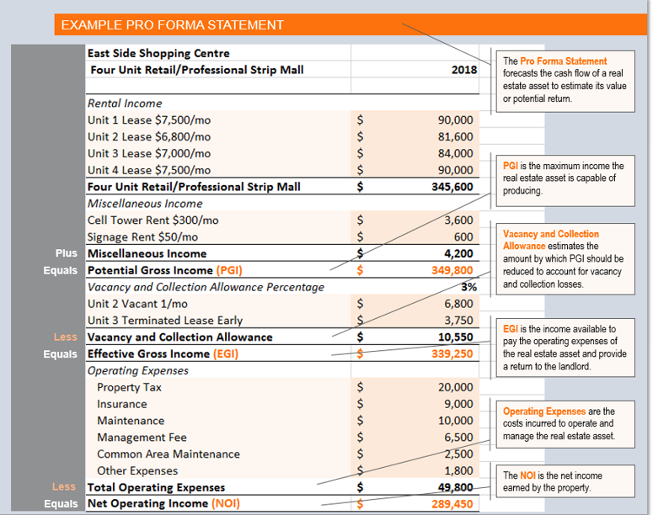
Pro Forma Statement
Rent Roll

Pro Forma
Pro Forma Statement

INCOME |  | 2018 | 2017 | 2016 | 2015 | 2014
Rental Income

Enter misc. income here eg. Laundry machines
Enter misc. income here eg. Laundry machines
Enter misc. income here eg. Laundry machines

Potential Gross Income |  | $0 | $0 | $0 | $0 | $0
Vacancy Allowance |  | $0 | $0 | $0 | $0 | $0
Effective Gross Income |  | $0 | $0 | $0 | $0 | $0

OPERATING EXPENSES
Enter operating expenses here eg. Property tax
Enter operating expenses here eg. Advertising
Enter operating expenses here eg. Advertising
Enter operating expenses here eg. Advertising
Enter operating expenses here eg. Advertising
Enter operating expenses here eg. Advertising
Enter operating expenses here eg. Advertising
Enter operating expenses here eg. Advertising
TOTAL OPERATING EXPENSES |  | $0 | $0 | $0 | $0 | $0
NET OPERATING INCOME |  | $0 | $0 | $0 | $0 | $0

Vacancy Allowance Percentage | 0% | <-- Enter vacancy allowance here

Rent Roll
Home

Rent Roll
RENT ROLL
Suite No. | Suite Type | Monthly Rent | Effective Lease Start Date (dd/mm/yy) | Date of Last Rental Increase (dd/mm/yy)

 |  | $-
 |  | x 12
Gross Annual Rental Income |  | $0.00

Pro Forma Statement
Home

